LR
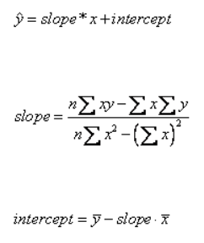
 | x | y | xy | x^2
 | Year | Population
 | 1980 | 2.1
 | 1985 | 2.9
 | 1990 | 3.2 |  |  | Slope
 | 1995 | 4.1 |  |  | Intercept
 | 2000 | 4.9
Sum
Average
Count (n) =

